ANSWER PAGE 2
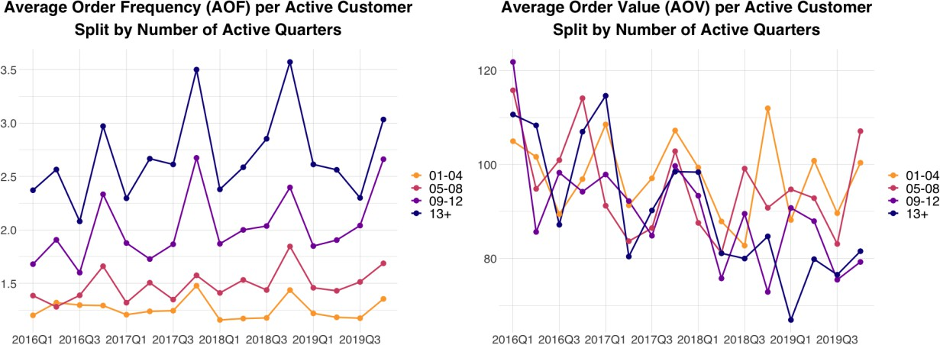
Examining the last decile more closely may reveal insightful details: these customers tend to buy the least expensive items and generate the lowest profit margins. These customers are likely to be the “cherry pickers” — they skillfully sift through the market, gravitating towards deals that offer the most value. Their purchases, though infrequent, are meticulously planned, focusing on choices that primarily benefit them, occasionally at the expense of the retailer. A deep understanding of this group’s behaviors is imperative—they exert substantial influence on stock turnover, margin performance, and sales trends. Addressing the needs of this savvy customer segment requires a tactical balance in pricing, promotional efforts, and inventory management to ensure the firm’s profitability is maintained while appealing to these value-oriented consumers. (3) How does their behavior evolve over time? Thus far, our analysis has provided a deeper insight into customer values and their behaviors up to 2024. Another critical aspect to consider is the trajectory of our customers' behaviors since their acquisition. Specifically, we need to explore whether their values have shown improvement over time. To analyze the progression of customer behavior effectively, it is crucial to examine each cohort separately. Figure TN2, which is based on data from Table 2, traces the spend path of the Q1 2021 cohort over successive quarters. Figure TN2 Quarterly Spend: Q1 2021 Cohort
Key observations from looking at this data: • Firstly, it’s evident that not all customers make purchases every quarter. • A noticeable decline in purchases after the initial quarter suggests a pattern of latent attrition within the cohort. • Seasonality impacts spending behaviors, particularly during the Christmas period, indicating that customers are not only more inclined to shop but also to spend more during this time. Q: Why do we observe these dynamics? Similarly to the profit analysis, the visual decomposition of spend uncovers relevant insights. As highlighted Figure TN3, even though spending among active customers remains relatively consistent, this is due to an increase in the frequency of orders rather than the volume per transaction.
7
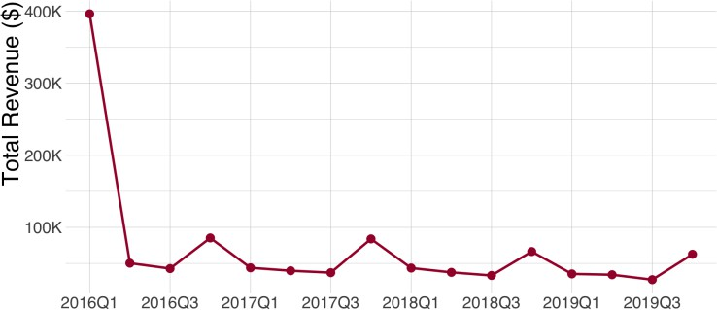
Figure TN3 Decomposition of Quarterly Spend: Q1 2021 Cohort

The decomposition of spending patterns highlights that transaction frequencies per quarter significantly shape these dynamics, a topic warranting further examination. Despite the apparent stability in spend per active customer, a detailed analysis of “average order frequency” (AOF) and “average order value” (AOV) uncovers that this steadiness stems from an increase in order frequency, offset by a decline in order volume. This observation should be interpreted with caution due to various underlying factors: 1. The presence of customers who make infrequent, high-volume purchases might not be sustained over time, a phenomenon often referred to as survival bias. 2. There could be a shift in company's product mix towards items that are purchased more frequently but are of lower value.
q3. 4) Are cohorts different in their transaction patterns? Beyond analyzing the behavior of a specific cohort, comparing behaviors across different cohorts often offers critical insights into the evolving dynamics of acquisition and retention performance. Specifically, we proceed to contrast the behavior of three distinct cohorts: those from Q3 2021, Q4 2021,
Note: survival bias means that the data you observe may overrepresent customers who happened to make one or a few very large purchases, even though such behavior is unstable and unlikely to persist. These customers appear in the sample because they were visible at the time of observation, while similar customers who did not repeat large purchases later dropped out or were never observed. As a result, conclusions drawn from this group can be misleading, because it assumes that rare, high-volume purchasing patterns will continue in the future when, in reality, many of them disappear over time.
and Q4 2022. Figure TN 4 plots their profitability, with the x-axis representing the number of quarters since acquisition and the y-axis reflecting the total profit generated by each cohort. The graph distinctly indicates that customers acquired in Q4 are more likely to purchase again in the same quarter of subsequent years. These may be “holiday shoppers” who primarily shop during the festive season. Conversely, the Q3 cohort exhibits a less pronounced seasonal buying pattern in the following years. When we adjust the y-axis to compare the total profit against that of the first quarter, it becomes evident that while Q4 cohorts show increased activity during subsequent holiday seasons, their profitability at other times of the year falls short of those acquired in Q3. Figure TN4 Quarterly Summaries of the Cohort of Customers Acquired in Q3 & Q4 of 2021 and Q4 2022
you are encouraged to speculate on the reasons behind these trends. Perhaps “holiday shoppers” opt for different products or exhibit higher price sensitivity. Although the case doesn’t offer specifics on the product types each customer purchases, it’s beneficial to engage in a discussion about possible hypotheses that could be investigated with a complete dataset.
QUESTION 3
How healthy is company’s customer base? After gaining an understanding of the diversity among company's customers and observing how their behavior changes over time, we can proceed to assess the entire customer base. This involves
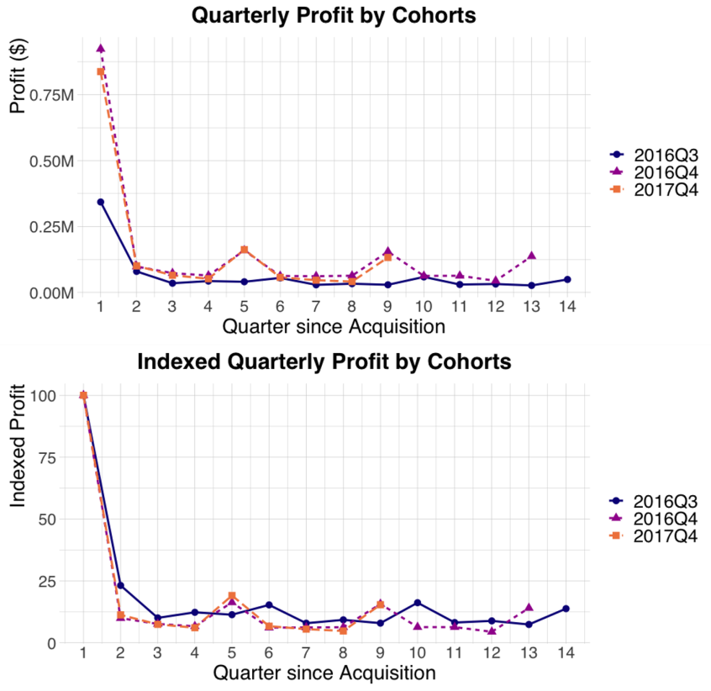
evaluating the acquisition, retention, and profitability of all customers from the onset of available transactional data. Q: How successful has company been at acquiring new customers? While there was a dip in 2022, the company seems to be successful at growing the number of new customers over time. Figure TN5 shows the number of customers acquired each year (computed from Table 4) Figure TN5 Number of Customers Acquired each Year
Q: How about their retention and profitability over time? To sum, the overall health of company's customer base can be assessed by examining the primary drivers of growth, which include customer acquisition, retention, and the monetary value or profitability. • Acquisition trends showed a slight decline in 2022 but have been on the upswing since. However, the company's heavy reliance on the holiday season for acquiring new customers could be a vulnerability if consumer behavior changes during these peak times. • In terms of retention, while the initial decrease in customer numbers within cohorts might initially appear concerning, it is actually a common occurrence in customer lifecycle dynamics. The real issue lies in the diminishing rates of repeat purchases across cohorts, which points to potential problems with customer loyalty and engagement. • Regarding monetary value and profitability, profits have remained consistent, potentially buoyed by an increased average order frequency (AOF) despite a reduced average order value (AOV). This stability, though, is precarious; as purchasing behaviors evolve, profitability could be challenged across cohorts in the future. In summary, while company's customer base shows some positive indicators, there are trends that need strategic attention to maintain and strengthen the company's growth trajectory. Q: So, is 32Million in profits a reasonable goal for 2020?
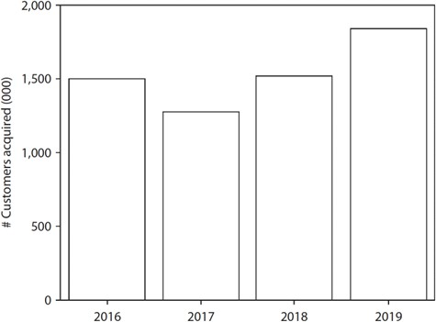
10

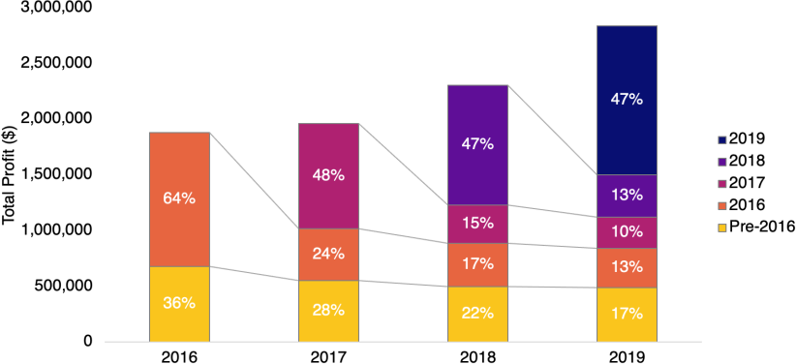
Molina was optimistic about achieving a $32 million profit in 2020. To assess the feasibility of this target, we need to consider the acquisition and retention metrics that would support such a goal. Looking at Figure TN 6, which charts annual profits from 2021, we observe a Compound Annual Growth Rate (CAGR) of approximately 11% over the past four years. Projecting this rate onto 2020 suggests a potential profit of $31.5 million. Moreover, with the annual growth rate showing an upward trend (from 4% in 2021-2022, to 17% in 2022-2023, and 23% in 2023-2024), aiming for a $32 million profit appears to be a reasonable expectation. Figure TN6 Decomposition of Annual Profit by Acquisition Year
To reach the $32 million profit goal, company needs to strategize on customer acquisition, assuming retention rates remain constant. First, we calculate the profit retention rate, defined as the total profits in the current year generated by customers acquired in previous years, divided by the profit from the preceding year. The profit retention rates for the years 2021-2022, 2022-2023, and 2023-2024 are 54%, 63%, and 65%, respectively. If we project a steady profit retention rate of 63% for 2024-2020, the expected profit from customers acquired before 2020 would be $17.9 million. Consequently, company should aim to gain new customers who would contribute an additional $14.1 million in profit to meet the $32 million target. According to Table 4 in the case study, the average profit from newly acquired customers is consistently $70, indicating that company needs to attract approximately 2 million new customers, about 10% more than in the previous year. This target appears feasible, given the annual customer acquisition growth rate of roughly 20% based on Table 4. Secondly, assuming constant acquisition growth, the desired retention performance needs assessment. With this assumption, the estimated profit from new customers in 2020 would be $15.4 million, calculated from (1.8 million customers * 120%) * $70 per customer. Therefore, profit from existing customers would need to be $16.6 million to meet the goal, equating to a profit retention rate of approximately 59%. This target appears achievable, given that the profit retention rates in the previous two years have exceeded 60%. However, a critical underlying assumption in both scenarios is the availability of a sufficient pool of new customers for company to acquire, which may not hold in a relatively mature market.
11

Key Takeaways You can look into the broader aspects of segmentation. These include: • Descriptive analytics. While predictive analytics grab attention, descriptive analytics lays the foundation for business intelligence by dissecting past performance and data. This analysis is crucial for identifying trends, patterns, and insights that inform strategic planning and future growth initiatives, ensuring businesses are not merely reacting but are strategically aligned with their historical data. • Customer heterogeneity. Recognizing customer heterogeneity underlines the importance of treating customers as individuals with distinct preferences, behaviors, and values. This approach necessitates a shift from mass marketing to personalized engagement strategies, optimizing resource allocation and maximizing profitability by catering to the unique needs and potential value of each customer segment. • Customer dynamics. Understanding customer dynamics involves recognizing and analyzing the evolving nature of customer relationships over time. This comprehension allows businesses to not only respond to changes but also to anticipate and shape future customer behaviors through targeted strategies, thereby fostering loyalty, enhancing customer lifetime value, and ensuring sustained profitability.
Exhibit: Additional Analyses While the analyses presented in this note cover a thorough review of company’s customer base, there are several other analyses that would enhance you ’ understanding of the company’s customers. We encourage readers to refer to the recommended book “The Customer-Base Audit: The First Step on the Journey to Customer Centricity” for additional analyses. Below we present some ideas that we have used in class, describing the point in the class when these analyses can enrich the discussion. Note that these analyses use data that has not been made available to you . The PowerPoint Supplement for readers provides the necessary figures to conduct the discussion. (1) Repeat Purchase Dynamics Building on the analysis presented on p. 6, and reflecting on the percentage of customers engaging in transactions each quarter, the pronounced drop after the first quarter might indicate that many customers make a single transaction and then cease to return. Alternatively, it could suggest that customers do return, albeit at disparate frequencies. Such varied behaviors would require distinct strategic approaches moving forward. For a more comprehensive understanding of these dynamics, we examine whether the returning customers are consistent over time. Although the case study doesn’t explicitly supply this data, the additional visuals in the PowerPoint supplement provide greater elucidation on this matter (see Figure TN7). Figure TN7 Patterns of Annual Buying for Q1 2021 Cohort

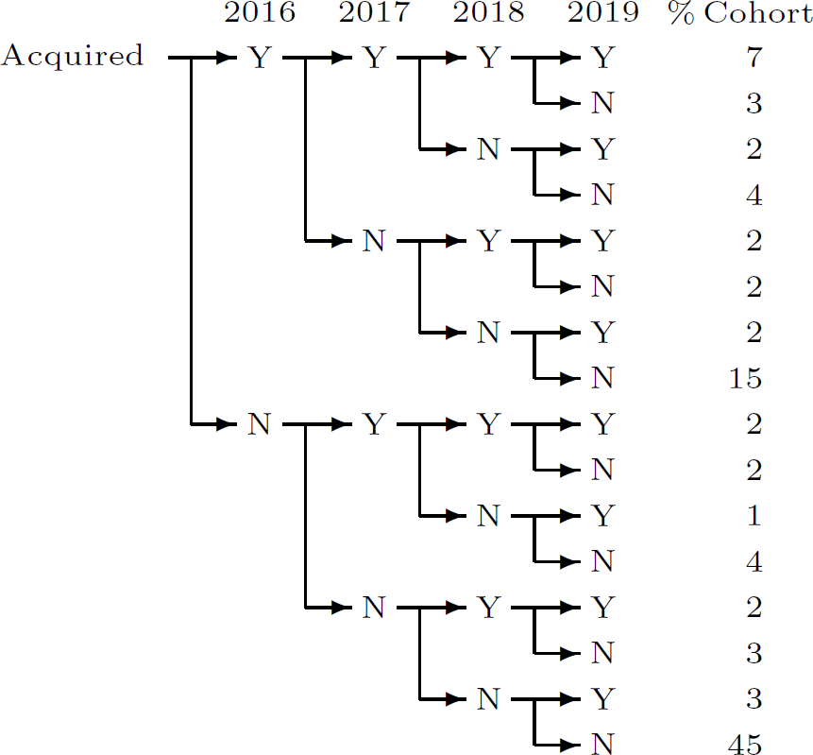
This data visualization offers a more detailed view of customer retention and attrition behaviors. For instance, it highlights that a substantial 45% of customers engage in a single transaction and then do not return, signaling a one-off interaction with company. In contrast, 15% of customers do come back for a second purchase within the same year but subsequently discontinue any further purchases, indicating a transient engagement with the brand.
13

A closer look at Figure TN3 reveals that about 26% (=100-7-3-4-15-45) of customers exhibits an annual purchasing sequence characterized by intermittent lapses in purchases. Specifically, a year without a purchase is often followed by a year with at least one purchase. These figures are of considerable importance for company’s approach to customer management, challenging the existing paradigm of what defines a “lost” customer. The current standard, which deems customers as “lost” if they do not make a purchase within a year, might be too narrow and fail to account for those who return after a year’s gap. Such insights could pave the way for a revised, more flexible understanding of customer loyalty and retention, which would, in turn, shape the brand’s marketing strategies and customer relationship initiatives going forward. (2) Was AOF really improving as time went by? On page 7, we discussed the phenomenon where customers making infrequent, high-volume purchases may not consistently do so over time, a situation commonly described as survival bias. To investigate this hypothesis, examining the trends of Average Order Frequency (AOF) and Average Order Value (AOV) across customers of varying tenures can be enlightening. Figure TN3 illustrates the AOF and AOV by quarter, segmented by customer tenure. The data reveals that AOF and AOV for customers recently acquired (with active quarters between 1 and 4) remain relatively stable. In contrast, customers with longer tenures exhibit significantly higher AOF, indicating a presence of survival bias concerning AOF. Meanwhile, AOV exhibits a downward trend across different tenure groups, hinting at potential issues beyond survival bias, such as deeper promotions or a shift in the product mix towards lower-priced items. Figure TN8 Patterns of Quarterly Buying for Q1 2021 Cohort

Deciles KEY
# Customers, Total Transactions, Revenue and Profit
Cells in gray are the tables we give to you

Decile | # Customers | Total Transactions | Revenue | Profit
1 | 3,180 | 17,503 | 128,952,505 | 62,160,175
2 | 3,180 | 8,703 | 55,542,905 | 27,079,030
3 | 3,177 | 6,345 | 38,274,225 | 18,722,055
4 | 3,178 | 5,349 | 29,017,010 | 13,916,595
5 | 3,183 | 4,683 | 22,555,225 | 10,734,405
6 | 3,124 | 4,330 | 17,169,955 | 7,948,270
7 | 3,233 | 4,004 | 13,470,710 | 6,240,025
8 | 2,996 | 3,414 | 9,381,075 | 4,326,685
9 | 3,360 | 3,659 | 7,496,500 | 3,334,100
10 | 3,186 | 3,270 | 3,740,550 | 1,554,795
 | 31,797 | 61,260 | 325,600,660 | 156,016,135

Decile | % Customers | % Transactions | % Revenue | % Profit | Avg spend/cust | Avg profit/cust | AOF | AOV | Avg margin
1 | 10% | 29% | 40% | 40% | 40,551.10 | 19,547.22 | 5.5 | $7,367 | 48%
2 | 10% | 14% | 17% | 17% | 17,466.32 | 8,515.42 | 2.7 | $6,382 | 49%
3 | 10% | 10% | 12% | 12% | 12,047.29 | 5,893.00 | 2.0 | $6,032 | 49%
4 | 10% | 9% | 9% | 9% | 9,130.59 | 4,379.04 | 1.7 | $5,425 | 48%
5 | 10% | 8% | 7% | 7% | 7,086.15 | 3,372.42 | 1.5 | $4,816 | 48%
6 | 10% | 7% | 5% | 5% | 5,496.14 | 2,544.26 | 1.4 | $3,965 | 46%
7 | 10% | 7% | 4% | 4% | 4,166.63 | 1,930.10 | 1.2 | $3,364 | 46%
8 | 9% | 6% | 3% | 3% | 3,131.20 | 1,444.15 | 1.1 | $2,748 | 46%
9 | 11% | 6% | 2% | 2% | 2,231.10 | 992.29 | 1.1 | $2,049 | 44%
10 | 10% | 0% | 1% | 1% | 1,174.06 | 488.01 | 1.0 | $1,144 | 42%
 |  |  |  |  | 10,239.98 | 4,906.63 | 1.9 | $5,315 | 48%

# Customers, Total Transactions, Revenue и Profit

One cohort key
Cells in gray are the tables we give to you

# Customers, Total Transactions, Revenue and Profit
# Customers, Total Transactions, Revenue and Profit
Quarter | # Customers | Total Transactions | Revenue | Profit
2021Q1 | 2,943 | 3,683 | 21,803,980 | 10,398,135
2021Q2 | 346 | 513 | 2,765,015 | 1,386,330
2021Q3 | 313 | 451 | 2,352,130 | 1,173,700
2021Q4 | 485 | 819 | 4,692,930 | 2,335,300
2022Q1 | 296 | 435 | 2,411,530 | 1,161,600
2022Q2 | 286 | 453 | 2,186,470 | 1,074,425
2022Q3 | 245 | 396 | 2,040,280 | 988,295
2022Q4 | 420 | 808 | 4,619,175 | 2,215,950
2023Q1 | 312 | 481 | 2,391,565 | 1,101,815
2023Q2 | 281 | 462 | 2,061,895 | 960,080
2023Q3 | 220 | 384 | 1,826,220 | 838,310
2023Q4 | 358 | 722 | 3,652,880 | 1,726,835
2024Q1 | 244 | 397 | 1,945,185 | 908,215
2024Q2 | 236 | 390 | 1,882,925 | 884,840
2024Q3 | 201 | 338 | 1,504,580 | 703,560
2024Q4 | 353 | 657 | 3,447,070 | 1,627,065

Quarter | # Customers | Total Transactions | Revenue | Profit | % active | Avg spend/active customer | AOF | AOV
2021Q1 | 2,943 | 3,683 | 21,803,980 | 10,398,135 | 100% | 7409 | 1.3 | 5920
2021Q2 | 346 | 513 | 2,765,015 | 1,386,330 | 12% | 7991 | 1.5 | 5390
2021Q3 | 313 | 451 | 2,352,130 | 1,173,700 | 11% | 7515 | 1.4 | 5215
2021Q4 | 485 | 819 | 4,692,930 | 2,335,300 | 16% | 9676 | 1.7 | 5730
2022Q1 | 296 | 435 | 2,411,530 | 1,161,600 | 10% | 8147 | 1.5 | 5544
2022Q2 | 286 | 453 | 2,186,470 | 1,074,425 | 10% | 7645 | 1.6 | 4827
2022Q3 | 245 | 396 | 2,040,280 | 988,295 | 8% | 8328 | 1.6 | 5152
2022Q4 | 420 | 808 | 4,619,175 | 2,215,950 | 14% | 10998 | 1.9 | 5717
2023Q1 | 312 | 481 | 2,391,565 | 1,101,815 | 11% | 7665 | 1.5 | 4972
2023Q2 | 281 | 462 | 2,061,895 | 960,080 | 10% | 7338 | 1.6 | 4463
2023Q3 | 220 | 384 | 1,826,220 | 838,310 | 7% | 8301 | 1.7 | 4756
2023Q4 | 358 | 722 | 3,652,880 | 1,726,835 | 12% | 10204 | 2.0 | 5059
2024Q1 | 244 | 397 | 1,945,185 | 908,215 | 8% | 7972 | 1.6 | 4900
2024Q2 | 236 | 390 | 1,882,925 | 884,840 | 8% | 7978 | 1.7 | 4828
2024Q3 | 201 | 338 | 1,504,580 | 703,560 | 7% | 7485 | 1.7 | 4451
2024Q4 | 353 | 657 | 3,447,070 | 1,627,065 | 12% | 9765 | 1.9 | 5247

Three cohorts_KEY
Cells in gray are the tables we give to you

Q3 2021 |  |  |  |  |  |  |  |  |  | Q4 2021 |  |  |  |  |  |  |  |  | Q4 2022
Quarter | # Customers | Total Transactions | Revenue | Profit |  |  |  |  |  | Quarter | # Customers | Total Transactions | Revenue | Profit |  |  |  |  | Quarter | # Customers | Total Transactions | Revenue | Profit
2021Q3 | 2,842 | 3,593 | 18,866,045 | 9,389,215.00 |  |  |  |  |  |  |  |  | 0 | 0 |  |  |  |  |  |  |  | 0 | 0
2021Q4 | 529 | 818 | 4,377,010 | 2,173,325.00 |  |  |  |  |  | 2021Q4 | 6,161 | 7,980 | 50,815,985 | 26,164,050 |  |  |  |  |  |  |  | 0 | 0
2022Q1 | 237 | 325 | 1,908,940 | 942,755.00 |  |  |  |  |  | 2022Q1 | 619 | 939 | 5,396,435 | 2,596,110 |  |  |  |  |  |  |  | 0 | 0
2022Q2 | 318 | 467 | 2,357,300 | 1,154,450.00 |  |  |  |  |  | 2022Q2 | 546 | 855 | 4,014,505 | 1,990,010 |  |  |  |  |  |  |  | 0 | 0
2022Q3 | 317 | 468 | 2,213,530 | 1,063,370.00 |  |  |  |  |  | 2022Q3 | 451 | 696 | 3,515,930 | 1,742,015 |  |  |  |  |  |  |  | 0 | 0
2022Q4 | 366 | 615 | 3,017,685 | 1,435,610.00 |  |  |  |  |  | 2022Q4 | 939 | 1,579 | 8,754,185 | 4,264,700 |  |  |  |  | 2022Q4 | 5,881 | 7,651 | 46,089,890 | 22,577,830
2023Q1 | 234 | 339 | 1,575,365 | 740,795.00 |  |  |  |  |  | 2023Q1 | 418 | 687 | 3,430,020 | 1,596,375 |  |  |  |  | 2023Q1 | 690 | 1,011 | 5,531,845 | 2,540,340
2023Q2 | 254 | 408 | 1,804,770 | 868,560.00 |  |  |  |  |  | 2023Q2 | 442 | 738 | 3,375,460 | 1,614,635 |  |  |  |  | 2023Q2 | 473 | 675 | 3,571,370 | 1,677,170
2023Q3 | 269 | 385 | 1,582,735 | 742,940.00 |  |  |  |  |  | 2023Q3 | 430 | 731 | 3,476,385 | 1,640,210 |  |  |  |  | 2023Q3 | 420 | 601 | 2,838,000 | 1,371,040
2023Q4 | 358 | 625 | 3,222,065 | 1,519,155.00 |  |  |  |  |  | 2023Q4 | 885 | 1,542 | 8,510,590 | 4,095,850 |  |  |  |  | 2023Q4 | 999 | 1,660 | 8,927,160 | 4,306,665
2024Q1 | 220 | 323 | 1,638,945 | 766,755.00 |  |  |  |  |  | 2024Q1 | 381 | 625 | 3,439,535 | 1,651,705 |  |  |  |  | 2024Q1 | 387 | 562 | 3,135,275 | 1,509,805
2024Q2 | 224 | 338 | 1,742,675 | 828,905.00 |  |  |  |  |  | 2024Q2 | 384 | 654 | 3,467,475 | 1,650,495 |  |  |  |  | 2024Q2 | 343 | 522 | 2,546,775 | 1,241,075
2024Q3 | 230 | 349 | 1,446,720 | 692,780.00 |  |  |  |  |  | 2024Q3 | 351 | 561 | 2,413,840 | 1,158,025 |  |  |  |  | 2024Q3 | 356 | 518 | 2,251,975 | 1,074,480
2024Q4 | 311 | 523 | 2,693,735 | 1,293,325.00 |  |  |  |  |  | 2024Q4 | 743 | 1,364 | 7,542,645 | 3,669,875 |  |  |  |  | 2024Q4 | 778 | 1,300 | 7,285,410 | 3,469,510

Quarter | # Customers | Total Transactions | Revenue | Profit | % active | Avg spend/active customer | AOF | AOV |  | Quarter | # Customers | Total Transactions | Revenue | Profit | % active | Avg spend/active customer | AOF | AOV | Quarter | # Customers | Total Transactions | Revenue | Profit | % active | Avg spend/active customer | AOF | AOV
2021Q3 | 2,842 | 3,593 | 18,866,045 | 9,389,215 | 100% | 6638 | 1.3 | 5251
2021Q4 | 529 | 818 | 4,377,010 | 2,173,325 | 19% | 8274 | 1.5 | 5351 |  | 2021Q4 | 6,161 | 7,980 | 50,815,985 | 26,164,050 | 100% | 8248 | 1.3 | 6368
2022Q1 | 237 | 325 | 1,908,940 | 942,755 | 8% | 8055 | 1.4 | 5874 |  | 2022Q1 | 619 | 939 | 5,396,435 | 2,596,110 | 10% | 8718 | 1.5 | 5747
2022Q2 | 318 | 467 | 2,357,300 | 1,154,450 | 11% | 7413 | 1.5 | 5048 |  | 2022Q2 | 546 | 855 | 4,014,505 | 1,990,010 | 9% | 7353 | 1.6 | 4695
2022Q3 | 317 | 468 | 2,213,530 | 1,063,370 | 11% | 6983 | 1.5 | 4730 |  | 2022Q3 | 451 | 696 | 3,515,930 | 1,742,015 | 7% | 7796 | 1.5 | 5052
2022Q4 | 366 | 615 | 3,017,685 | 1,435,610 | 13% | 8245 | 1.7 | 4907 |  | 2022Q4 | 939 | 1,579 | 8,754,185 | 4,264,700 | 15% | 9323 | 1.7 | 5544 | 2022Q4 | 5,881 | 7,651 | 46,089,890 | 22,577,830 | 100% | 7837 | 1.3 | 6024
2023Q1 | 234 | 339 | 1,575,365 | 740,795 | 8% | 6732 | 1.4 | 4647 |  | 2023Q1 | 418 | 687 | 3,430,020 | 1,596,375 | 7% | 8206 | 1.6 | 4993 | 2023Q1 | 690 | 1,011 | 5,531,845 | 2,540,340 | 12% | 8017 | 1.5 | 5472
2023Q2 | 254 | 408 | 1,804,770 | 868,560 | 9% | 7105 | 1.6 | 4423 |  | 2023Q2 | 442 | 738 | 3,375,460 | 1,614,635 | 7% | 7637 | 1.7 | 4574 | 2023Q2 | 473 | 675 | 3,571,370 | 1,677,170 | 8% | 7550 | 1.4 | 5291
2023Q3 | 269 | 385 | 1,582,735 | 742,940 | 9% | 5884 | 1.4 | 4111 |  | 2023Q3 | 430 | 731 | 3,476,385 | 1,640,210 | 7% | 8085 | 1.7 | 4756 | 2023Q3 | 420 | 601 | 2,838,000 | 1,371,040 | 7% | 6757 | 1.4 | 4722
2023Q4 | 358 | 625 | 3,222,065 | 1,519,155 | 13% | 9000 | 1.7 | 5155 |  | 2023Q4 | 885 | 1,542 | 8,510,590 | 4,095,850 | 14% | 9616 | 1.7 | 5519 | 2023Q4 | 999 | 1,660 | 8,927,160 | 4,306,665 | 17% | 8936 | 1.7 | 5378
2024Q1 | 220 | 323 | 1,638,945 | 766,755 | 8% | 7450 | 1.5 | 5074 |  | 2024Q1 | 381 | 625 | 3,439,535 | 1,651,705 | 6% | 9028 | 1.6 | 5503 | 2024Q1 | 387 | 562 | 3,135,275 | 1,509,805 | 7% | 8101 | 1.5 | 5579
2024Q2 | 224 | 338 | 1,742,675 | 828,905 | 8% | 7780 | 1.5 | 5156 |  | 2024Q2 | 384 | 654 | 3,467,475 | 1,650,495 | 6% | 9030 | 1.7 | 5302 | 2024Q2 | 343 | 522 | 2,546,775 | 1,241,075 | 6% | 7425 | 1.5 | 4879
https://docs.google.com/spreadsheets/d/16x8zlfdKSDrt8KCRVrkRtkOdrEvM_DMxIaDW7Ubr9Vc/edit?gid=353029270#gid=353029270 | 230 | 349 | 1,446,720 | 692,780 | 8% | 6290 | 1.5 | 4145 |  | 2024Q3 | 351 | 561 | 2,413,840 | 1,158,025 | 6% | 6877 | 1.6 | 4303 | 2024Q3 | 356 | 518 | 2,251,975 | 1,074,480 | 6% | 6326 | 1.5 | 4347
2024Q4 | 311 | 523 | 2,693,735 | 1,293,325 | 11% | 8662 | 1.7 | 5151 |  | 2024Q4 | 743 | 1,364 | 7,542,645 | 3,669,875 | 12% | 10152 | 1.8 | 5530 | 2024Q4 | 778 | 1,300 | 7,285,410 | 3,469,510 | 13% | 9364 | 1.7 | 5604

 | Q3 2016 | Q4 2016 | Q4 2017
 | Q3 2016 | Q4 2016 | Q4 2017
 | Q3 2016 | Q4 2016 | Q4 2017
Quarter | Q3 2021 | Q4 2021 | Q4 2022 | Q3 2021 | Q4 2021 | Q4 2022 | Q3 2021 | Q4 2021 | Q4 2022
2021Q3 | 100% |  |  | 6638 |  |  | 5251
2021Q4 | 19% | 100% |  | 8274 | 8248 |  | 5351 | 6368
2022Q1 | 8% | 10% |  | 8055 | 8718 |  | 5874 | 5747
2022Q2 | 11% | 9% |  | 7413 | 7353 |  | 5048 | 4695
2022Q3 | 11% | 7% |  | 6983 | 7796 |  | 4730 | 5052
2022Q4 | 13% | 15% | 100% | 8245 | 9323 | 7837 | 4907 | 5544 | 6024
2023Q1 | 8% | 7% | 12% | 6732 | 8206 | 8017 | 4647 | 4993 | 5472
2023Q2 | 9% | 7% | 8% | 7105 | 7637 | 7550 | 4423 | 4574 | 5291
2023Q3 | 9% | 7% | 7% | 5884 | 8085 | 6757 | 4111 | 4756 | 4722
2023Q4 | 13% | 14% | 17% | 9000 | 9616 | 8936 | 5155 | 5519 | 5378
2024Q1 | 8% | 6% | 7% | 7450 | 9028 | 8101 | 5074 | 5503 | 5579
2024Q2 | 8% | 6% | 6% | 7780 | 9030 | 7425 | 5156 | 5302 | 4879
https://docs.google.com/spreadsheets/d/16x8zlfdKSDrt8KCRVrkRtkOdrEvM_DMxIaDW7Ubr9Vc/edit?gid=353029270#gid=353029270 | 8% | 6% | 6% | 6290 | 6877 | 6326 | 4145 | 4303 | 4347
2024Q4 | 11% | 12% | 13% | 8662 | 10152 | 9364 | 5151 | 5530 | 5604

Q4 2021

Q4 2022

Deciles
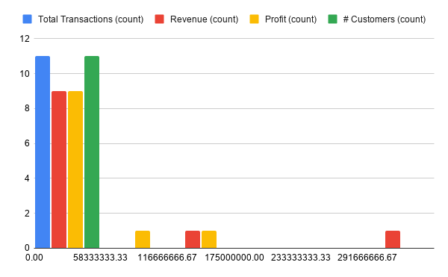
Decile | # Customers | Total Transactions | Revenue | Profit
1 | 3,180 | 17,503 | 128,952,505 | 62,160,175
2 | 3,180 | 8,703 | 55,542,905 | 27,079,030
3 | 3,177 | 6,345 | 38,274,225 | 18,722,055
4 | 3,178 | 5,349 | 29,017,010 | 13,916,595
5 | 3,183 | 4,683 | 22,555,225 | 10,734,405
6 | 3,124 | 4,330 | 17,169,955 | 7,948,270
7 | 3,233 | 4,004 | 13,470,710 | 6,240,025
8 | 2,996 | 3,414 | 9,381,075 | 4,326,685
9 | 3,360 | 3,659 | 7,496,500 | 3,334,100
10 | 3,186 | 3,270 | 3,740,550 | 1,554,795
 | 31,797 | 61,260 | 325,600,660 | 156,016,135
Table 1 Customer Decile Analysis, by Total Profitability in 2024
Note: The number of customers in each decile varies slightly across deciles because there are ties in customer profit. The analyst could allow customers with equal profit belong to different deciles. The insights do not change.

Cohort
# Customers, Total Transactions, Revenue and Profit
Quarter | # Customers | Total Transactions | Revenue | Profit
2021Q1 | 2,943 | 3,683 | 21,803,980 | 10,398,135
2021Q2 | 346 | 513 | 2,765,015 | 1,386,330
2021Q3 | 313 | 451 | 2,352,130 | 1,173,700
2021Q4 | 485 | 819 | 4,692,930 | 2,335,300
2022Q1 | 296 | 435 | 2,411,530 | 1,161,600
2022Q2 | 286 | 453 | 2,186,470 | 1,074,425
2022Q3 | 245 | 396 | 2,040,280 | 988,295
2022Q4 | 420 | 808 | 4,619,175 | 2,215,950
2023Q1 | 312 | 481 | 2,391,565 | 1,101,815
2023Q2 | 281 | 462 | 2,061,895 | 960,080
2023Q3 | 220 | 384 | 1,826,220 | 838,310
2023Q4 | 358 | 722 | 3,652,880 | 1,726,835
2024Q1 | 244 | 397 | 1,945,185 | 908,215
2024Q2 | 236 | 390 | 1,882,925 | 884,840
2024Q3 | 201 | 338 | 1,504,580 | 703,560
2024Q4 | 353 | 657 | 3,447,070 | 1,627,065

Table 2 Quarterly Summaries of the Cohort of Customers Acquired in Q1 of 2021
# Customers, Total Transactions, Revenue and Profit
# Customers, Total Transactions, Revenue and Profit

3cohorts
Q3 2021 |  |  |  |  | Q4 2021 |  |  |  |  | Q4 2022
Quarter | # Customers | Total Transactions | Revenue | Profit | Quarter | # Customers | Total Transactions | Revenue | Profit | Quarter | # Customers | Total Transactions | Revenue | Profit
2021Q3 | 2,842 | 3,593 | 18,866,045 | 9,389,215.00 |  |  |  | 0 | 0 |  |  |  | 0 | 0
2021Q4 | 529 | 818 | 4,377,010 | 2,173,325.00 | 2021Q4 | 6,161 | 7,980 | 50,815,985 | 26,164,050 |  |  |  | 0 | 0
2022Q1 | 237 | 325 | 1,908,940 | 942,755.00 | 2022Q1 | 619 | 939 | 5,396,435 | 2,596,110 |  |  |  | 0 | 0
2022Q2 | 318 | 467 | 2,357,300 | 1,154,450.00 | 2022Q2 | 546 | 855 | 4,014,505 | 1,990,010 |  |  |  | 0 | 0
2022Q3 | 317 | 468 | 2,213,530 | 1,063,370.00 | 2022Q3 | 451 | 696 | 3,515,930 | 1,742,015 |  |  |  | 0 | 0
2022Q4 | 366 | 615 | 3,017,685 | 1,435,610.00 | 2022Q4 | 939 | 1,579 | 8,754,185 | 4,264,700 | 2022Q4 | 5,881 | 7,651 | 46,089,890 | 22,577,830
2023Q1 | 234 | 339 | 1,575,365 | 740,795.00 | 2023Q1 | 418 | 687 | 3,430,020 | 1,596,375 | 2023Q1 | 690 | 1,011 | 5,531,845 | 2,540,340
2023Q2 | 254 | 408 | 1,804,770 | 868,560.00 | 2023Q2 | 442 | 738 | 3,375,460 | 1,614,635 | 2023Q2 | 473 | 675 | 3,571,370 | 1,677,170
2023Q3 | 269 | 385 | 1,582,735 | 742,940.00 | 2023Q3 | 430 | 731 | 3,476,385 | 1,640,210 | 2023Q3 | 420 | 601 | 2,838,000 | 1,371,040
2023Q4 | 358 | 625 | 3,222,065 | 1,519,155.00 | 2023Q4 | 885 | 1,542 | 8,510,590 | 4,095,850 | 2023Q4 | 999 | 1,660 | 8,927,160 | 4,306,665
2024Q1 | 220 | 323 | 1,638,945 | 766,755.00 | 2024Q1 | 381 | 625 | 3,439,535 | 1,651,705 | 2024Q1 | 387 | 562 | 3,135,275 | 1,509,805
2024Q2 | 224 | 338 | 1,742,675 | 828,905.00 | 2024Q2 | 384 | 654 | 3,467,475 | 1,650,495 | 2024Q2 | 343 | 522 | 2,546,775 | 1,241,075
2024Q3 | 230 | 349 | 1,446,720 | 692,780.00 | 2024Q3 | 351 | 561 | 2,413,840 | 1,158,025 | 2024Q3 | 356 | 518 | 2,251,975 | 1,074,480
2024Q4 | 311 | 523 | 2,693,735 | 1,293,325.00 | 2024Q4 | 743 | 1,364 | 7,542,645 | 3,669,875 | 2024Q4 | 778 | 1,300 | 7,285,410 | 3,469,510
 |  | 1.24 | 1.30 | 1.34 |  |  | 1.35 | 1.52 | 1.57 |  |  | 1.43 | 2.03 | 2.06

Table 3. Quarterly Summaries of the three cohorts

Q3 2021
Q4 2021

Q4 2022

Q4 2021
Q4 2022

Year summaries
Table 4 Yearly summaries for all cohorts of customers, including those acquired before 2021
Revenue by customer cohort (2021-2024)
Revenue
 | 2021 | 2022 | 2023 | 2024
Pre-2021 | 75,539,904 | 61,713,306 | 57,535,363 | 55,477,923
2021 | 131,869,556 | 52,597,105 | 45,025,838 | 41,006,845
2022 | 0 | 106,151,953 | 40,414,088 | 31,974,173
2023 | 0 | 0 | 123,174,634 | 44,414,436
2024 | 0 | 0 | 0 | 152,727,328

Profit
 | 2021 | 2022 | 2023 | 2024
Pre-2021 | 37,487,742 | 30,335,338 | 27,485,475 | 26,831,497
2021 | 66,061,534 | 25,603,149 | 21,266,119 | 19,554,051
2022 | 0 | 51,967,834 | 19,015,788 | 15,258,799
2023 | 0 | 0 | 59,071,749 | 20,970,296
2024 | 0 | 0 | 0 | 73,401,526

Profit by customer cohort (2021-2024)
# Customers
 | 2021 | 2022 | 2023 | 2024
Pre-2021 | 5,751 | 4,636 | 4,233 | 3,921
2021 | 14,915 | 4,107 | 3,491 | 3,075
2022 |  | 12,720 | 3,389 | 2,686
2023 |  |  | 15,166 | 3,799
2024 |  |  |  | 18,316

Total Transactions
 | 2021 | 2022 | 2023 | 2024
Pre-2021 | 13,739 | 11,475 | 11,331 | 10,581
2021 | 22,911 | 10,035 | 9,346 | 8,197
2022 |  | 18,640 | 7,992 | 6,336
2023 |  |  | 22,735 | 9,002
2024 |  |  |  | 27,144

Customers by customer cohort (2021-2024)
Total transactions by customer cohort (2021-2024)

